Cover Sheet
Welcome to the 2020 Special Olympics Wyoming Area I
Fall Tournament - Lander on Septmeber 26th

Join us for the 2020 Fall season! Competition offered will include: Cycling; Soccer: skills; Bocce: singles, and doubles and Tennis: skills. A Unified Sports®component will be available for Cycling and Bocce.

In this file there are four tabs:
- Cover Sheet (this page) please complete the general information for your program participation
- Participant Entry; All athlete and partner information should be entered here.
- Codes for your drop down menus.
When all information has been entered please submit your registration to area1@specialolympicswy.org no later than Wednesday, September 16th, 2020

Program:
Contact:
Address:
City: |  | State |  | Zip
Phone:* |  | *Type in 10-digit number with no dashes

Hotel Information:
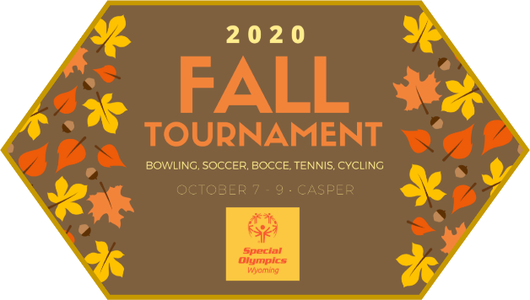
 |  | Total # of Athletes
 |  | Total # of Unified Sports Partners
 |  | Total # of Coaches
 |  | Total # of Chaperones/Volunteers
 |  | Total Program Participants |  |  | 0

 |  | Total # of Participants X $ 15 |  |  | $-
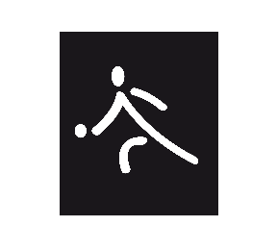

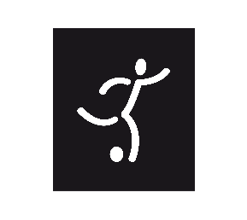

# of Additional Lunches:
Total | $-

 |  |  | Total Charges |  | $-

Special Olympics Wyoming
239 West 1st St
Casper, WY 82601
(307) 235-3062 ~ WWW.SPECIALOLYMPICSWY.ORG

Participant Entry
Please note:
- Athletes may compete in one sport and up to four events
- Only complete the shaded areas if the athlete or partner have not competed at Area Tournaments (we will take events and scores from Area Competition)

 |  |  |  |  |  |  | PROGRAM

Athlete and Unified Sports Partners
 | First Name | Last Name | M/F | Age | A/P | Sport | Event 1 | Score | Event 2 | Score | Event 3 | Score | Event 4 | Score
1
2
3
4
5
6
7
8
9
10
11
12
13
14
15
Coaches and Chaperones
Please note:
- All Coaches, Chaperones, and Volunteers must have a volunteer application on file with Special Olympics Wyoming.
- All should have completed the Protective Behavior session
- Coaches should also have completed the General Session and Concussion Training
- It is the intent of the program to assure that athletes are being coached by a certified coach.
 | First Name | Last Name | M/F | Age | Role | Sport | e-mail

Participant Entry # 2
Please note:
- Athletes may compete in one sport and up to four events
- Only complete the shaded areas if the athlete or partner have not competed at Area Tournaments (we will take events and scores from Area Competition)

 |  |  |  |  |  |  | PROGRAM

Athlete and Unified Sports Partners
 | First Name | Last Name | M/F | Age | A/P | Sport | Event 1 | Score | Event 2 | Score | Event 3 | Score | Event 4 | Score
16
17
18
19
20
21
22
23
24
25
26
27
28
29
30
Coaches and Chaperones
Please note:
- All Coaches, Chaperones, and Volunteers must have a volunteer application on file with Special Olympics Wyoming.
- All should have completed the Protective Behavior session
- Coaches should also have completed the General Session and Concussion Training
- It is the intent of the program to assure that athletes are being coached by a certified coach.
 | First Name | Last Name | M/F | Age | Role | Sport | e-mail

Participant Entry # 3
Please note:
- Athletes may compete in one sport and up to four events
- Only complete the shaded areas if the athlete or partner have not competed at Area Tournaments (we will take events and scores from Area Competition)

 |  |  |  |  |  |  | PROGRAM

Athlete and Unified Sports Partners
 | First Name | Last Name | M/F | Age | A/P | Sport | Event 1 | Score | Event 2 | Score | Event 3 | Score | Event 4 | Score
31
32
33
34
35
36
37
38
39
40
41
42
43
44
45
Coaches and Chaperones
Please note:
- All Coaches, Chaperones, and Volunteers must have a volunteer application on file with Special Olympics Wyoming.
- All should have completed the Protective Behavior session
- Coaches should also have completed the General Session and Concussion Training
- It is the intent of the program to assure that athletes are being coached by a certified coach.
 | First Name | Last Name | M/F | Age | Role | Sport | e-mail

